dzielnik napięcia
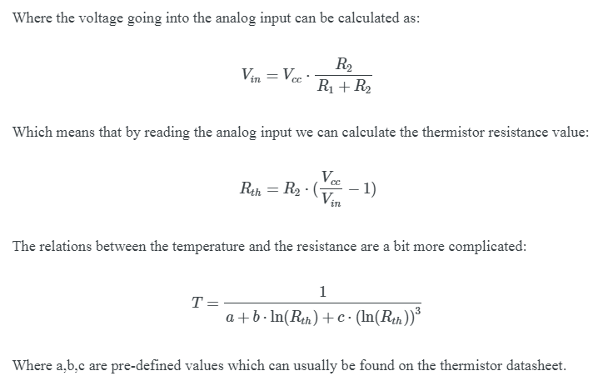
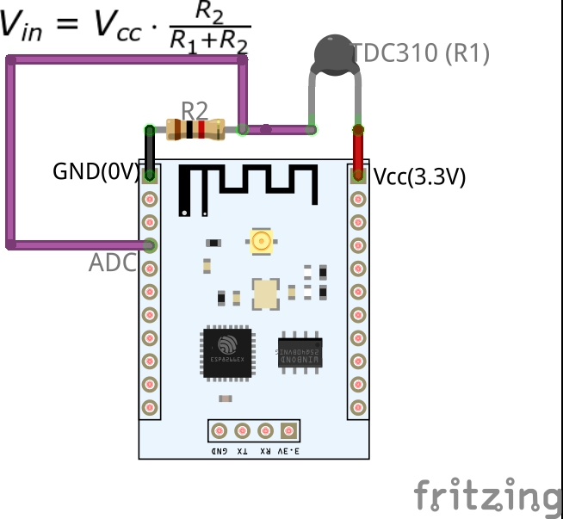
R2 | 10000 | Ohm | 27460
R1 termopara | 27460 | Ohm | 6960
Vcc | 3.311 | V | 2480

Vin | 0.88387613454 | V

Rth | 27460

